Sheet1
Dice 1 | Dice 2 | Roll | Possible Results | Frequency
4 | 4 | 8 | 2 | 8
6 | 6 | 12 | 3 | 4
3 | 1 | 4 | 4 | 4
2 | 1 | 3 | 5 | 5
3 | 3 | 6 | 6 | 6
6 | 5 | 11 | 7 | 8
1 | 5 | 6 | 8 | 8
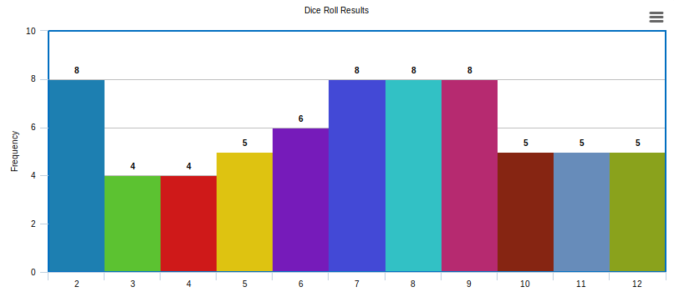
2 | 6 | 8 | 9 | 8
3 | 6 | 9 | 10 | 5
6 | 6 | 12 | 11 | 5
5 | 2 | 7 | 12 | 5
3 | 2 | 5
3 | 4 | 7
1 | 3 | 4
4 | 4 | 8
5 | 6 | 11
2 | 6 | 8
2 | 2 | 4
5 | 2 | 7
1 | 1 | 2
6 | 2 | 8
4 | 4 | 8
5 | 1 | 6
2 | 1 | 3
1 | 3 | 4
2 | 3 | 5
2 | 3 | 5
3 | 3 | 6
1 | 4 | 5
2 | 2 | 4

